Sheet1
 | Document No. |  | Issue No. | Issue Date |  |  | Review and Replace Date |  | Authorised By
 | GFF517MC |  | 1 | 11.07.2025 |  |  | New doc |  | Magda Shah
 | Document Title |  | 18 Lamb Samosa 450G

Document amendments reason for change | New doc |  |  | Page 1 of 1 |  | Previous Issue Date |  | New doc | Uncontrolled copy unless signed original

FLSAC-B18X4TDA |  | GAZEBO-Danora |  |  | 18 Lamb Samosa 450G
STEP 1 |  |  |  |  | STEP 2
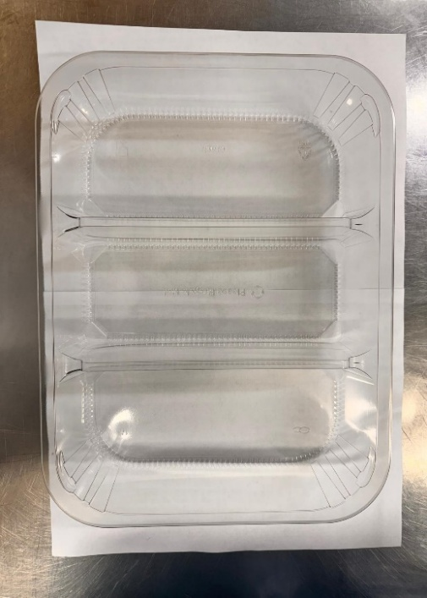

PACK DAY + 1 YEAR
NON-MAP PACK

Tray: HW308/60 - 3 CAVITY TRANS - 352X246X60 - (PKESS001-10) |  |  |  |  | Lamb Samosa Cocktail 25g (GFF005R): 18 Pieces (450G)
Film: K Peel RPSM 25µm (340mmX1000lm) (PKKMP001-05)
STEP 3
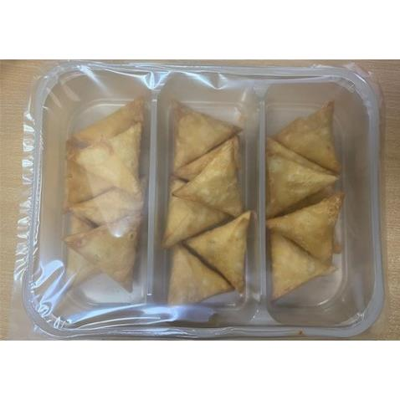

TOTAL WEIGHT: 450G

ALLERGY ALERT: WHEAT, SOYA

